Home
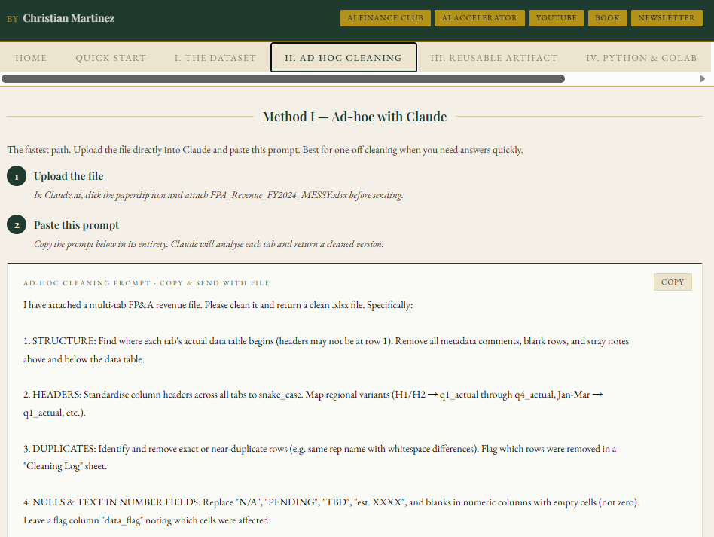
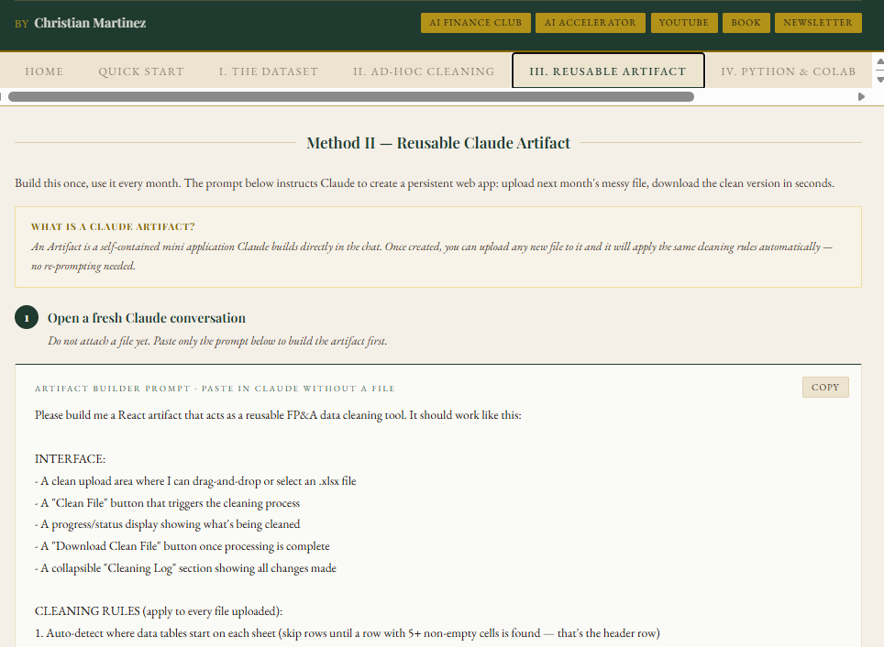
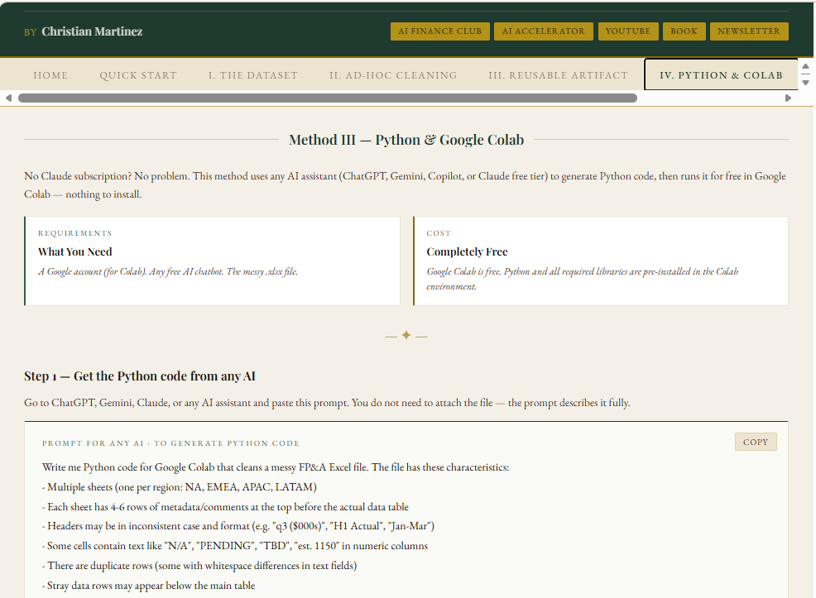
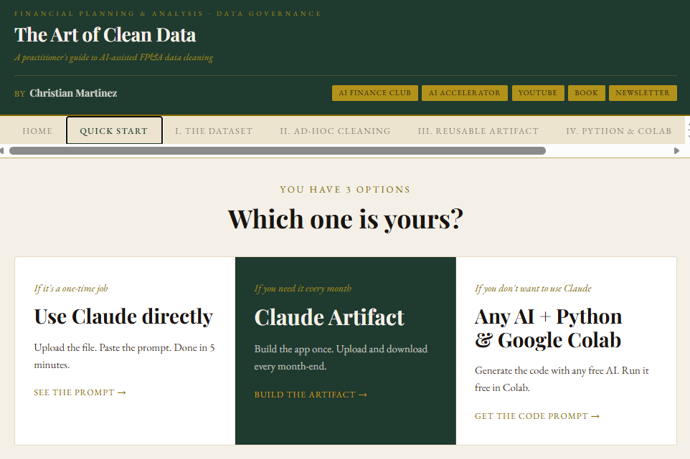
Interactive App
https://claude.ai/public/artifacts/d92731ad-8069-4de9-b846-8ead914f1d46
Video Guide:
https://www.youtube.com/watch?v=H_KkflkaOps

3 METHODS TO CLEAN FP&A AND FINANCE DATA WITH AI

